Weights & Centers Summary
 | 45.5 | 1.82 | 1.82 | 27 | 27 | 27 | Referance Rotor Diameter
 | 27 | 27 | 27 | 27 | 27 | 27 | Target Rotor Diamater
Weight | Power Pod | Aft Mooring | Fwd Mooring | DataSub | Keel | Buoyancy Pod | Total | Notes
X Distance from Rotor Ref. Point (m) | 2.74 | 4.51 | 7.91 | 3.00 | 3.31 | 1.60 | 3.14 | CG - X (m)
Z Distance from Rotor Axis (m) | 0.17 | 1.28 | 0.79 | -2.13 | 6.80 | 0.00 | 1.42 | CG - Z (m)
Weight (kN) | 506.3 | 24.7 | 55.5 | 213.0 | 284.1 | 71.9 | 1155.5 | Weight (kN)
Buoyancy
X Distance from Rotor Ref. Point (m) | 4.40 | 4.51 | 7.91 | 3.00 | 3.31 | 1.60 | 3.35 | CB - X (m)
Z Distance from Rotor Axis (m) | 0.00 | 1.28 | 0.79 | -2.13 | 6.80 | 0.00 | -0.49 | CB - Z (m)
Buoyancy (kN) | -567.8 | -4.6 | -41.2 | -479.8 | -36.4 | -359.4 | -1489.3 | Buoyancy (kN)
Calculated Net Buoyancy (kN) |  |  |  |  |  |  | -333.9 | Net Buoyancy (kN)

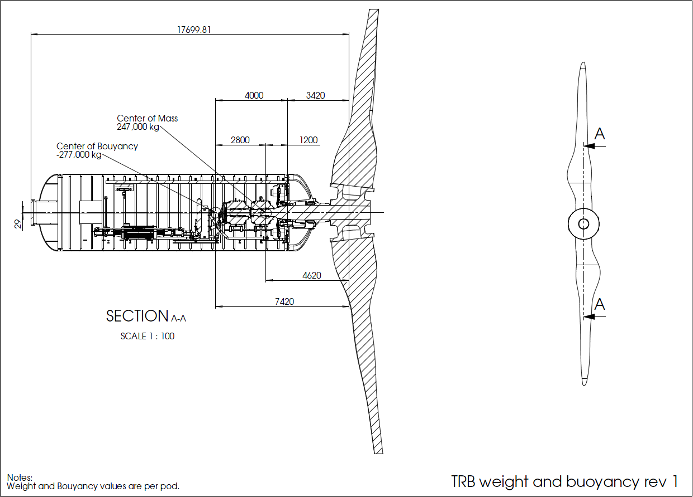
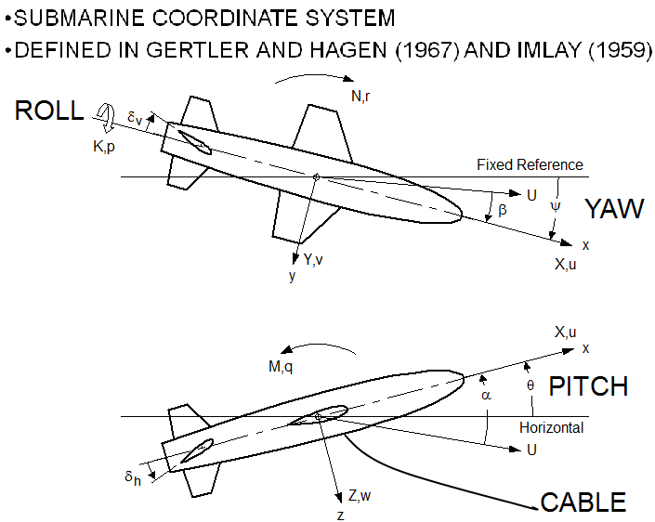

 |  |  |  |  |  |  | Notes
 |  |  |  |  |  |  | Power Pod properties are based on 1.2 MW 45.5m TRB Solidworks model (TM 4-12-2013). 1.2 MW scale wet bearing conceptual design is ~90,000 kg more massive and moves CG aft ~1.75m.
 |  |  |  |  |  |  | Fore & Aft Mooring properties are based on measured tow tank saturated lines - tow tank mooring hardware scaled from 1.2MW by PCCI
 |  |  |  |  |  |  | DataSub properies are based on Creo model (TM 10/29/2014)
 |  |  |  |  |  |  | Buoyancy designed to react thrust at 1.6m/s with 18.6 deg front mooring angle (1000m fwd lines, 330m aft line)
 |  |  |  |  |  |  | Keel designed to react 2x stall regulation torque at 2.2mps at 45deg roll.
 |  |  |  |  |  |  | Buoynacy pod assumed to be at rotor axis - would be more effective to move up if possible.

DataSub
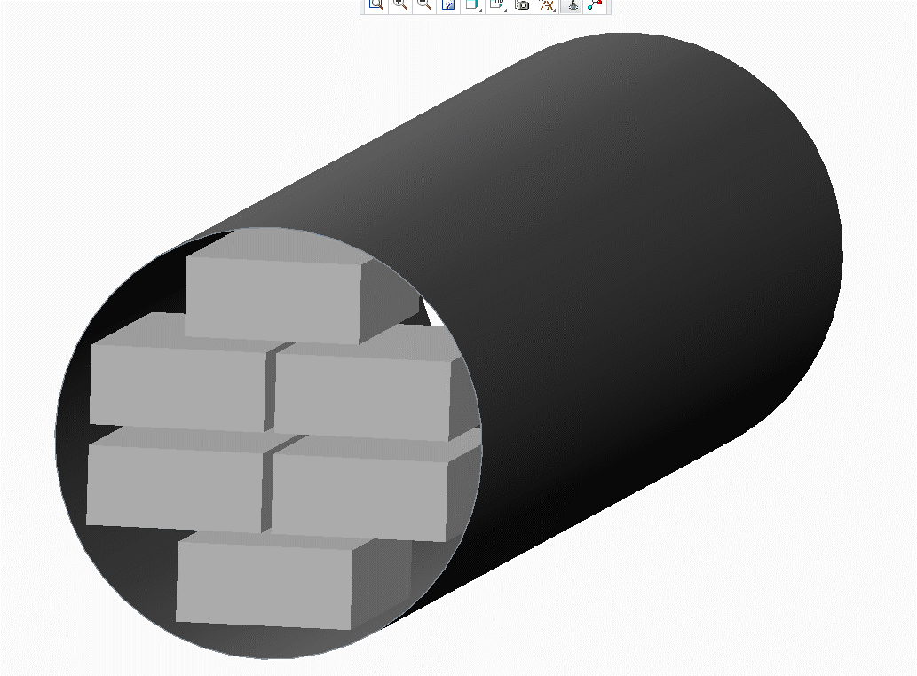
 | Unit | Metric
Diameter | m | 1.50
Length | m | 13.50
Area | m^2 | 1.77
Thickness | m | 0.013
Enclosed area | m^2 | 1.71

Steel Area | m^2 | 0.06
Steel Density | kg/m^3 | 7800.00
Steel Weight / M | kg/m | 462.86

#42U's in Sections | # | 1.00 | #
42U Weight | kg | 763.64 | lb | 1680
42U Height | m | 2.03 | in | 80
42U Width | m | 0.48 | in | 19
42U Depth | m | 1.07 | in | 42
42U Sectional Area | m^2 | 0.51
42U Spacing | m | 0.15 | in | 6
42U Volume Efficency | % | 40%
# 42U's Axial | # | 6.00
Total 1 U's | # | 252

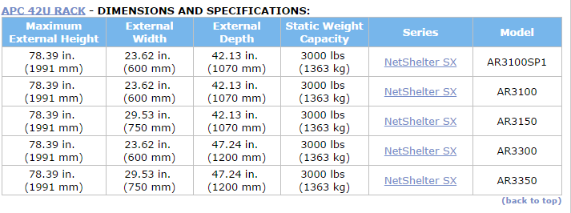
Gas N2 Area | m^2 | 1.50
Gas N2 Density | kg/m^3 | 1.25
N2 Weight/M | kg/m | 1.88

Seawater Density | kg/m^3 | 1025.00
Displaced Volume | m^3 | 23.86
Seawater Mass | kg | 24,453

Gas CO2 Mass | kg | 25.36
Server Mass | kg | 4,581.82
PV Mass | kg | 6,248.57

Net Buoyancy |  | 13,597.13

Steel PV Cost | $/kg | $10.00

PV Cost |  | $62,485.69

Total Weight | kN | 106.5
Total Buoyancy | kN | 239.9

